Step 1-Instructions
FY23 UG Financial Proforma Instructions
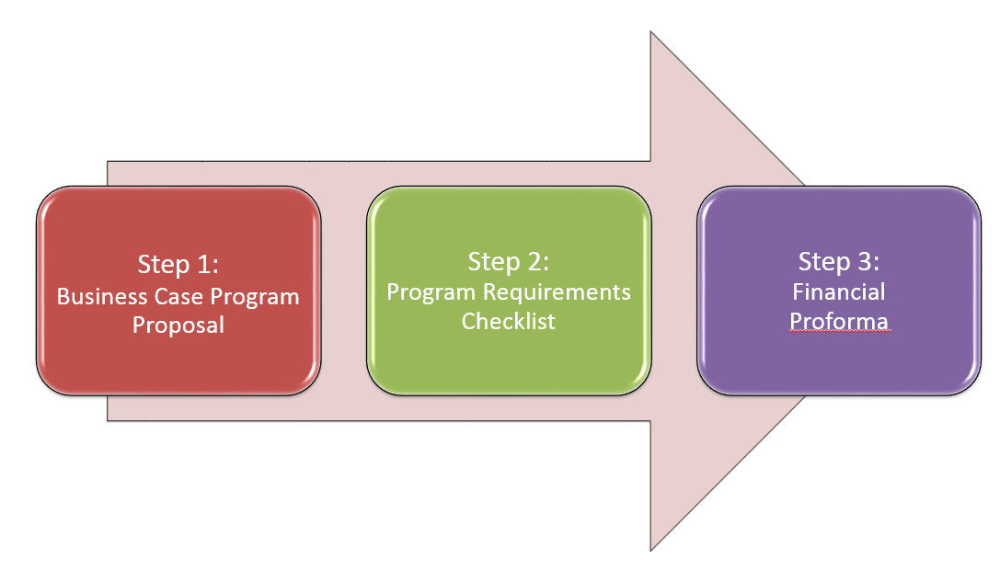

Goal: To develop an intuitive model that provides:
- Comprehensive market research (eg, Business Case Program Proposal)
- Mandatory worklist of departmental inclusion with a collaborative effort across the schools/divisions (eg, Program Requirements Checklist)
- Link to strategic plan and academic financial priorities (eg, Financial Proforma)
- Emphasis on academic rigor, including the assessment on existing programs (breadth and depth of programs offered)
- RCM based metrics for program evaluation
- Formal submission deadlines with correlation to key budget dates for inclusion in the next academic year

Step 1: Business Case Program Proposal
A conclusive narrative of the program, including a comprehensive market research study and program assessment.
Please note that this proposal will be presented first to Deans Council for approval. If approved, the school will need to complete Steps 2 & 3 below.

Step 2: Program Requirements Checklist
Checklist to ensure that the information needed to complete a comprehensive and accurate financial proforma is vetted with the following divisions:
See tab Step 2-Checklist.
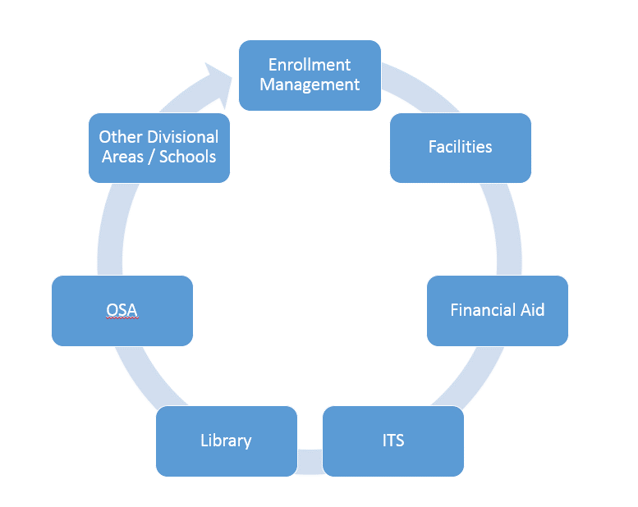

Step 3: Financial Proforma
A 5-year financial projection of enrollment, revenue, and profit margin.
Please note that profitable programs need a 50% margin to cover space and overhead costs associated with the RCM.

Notes
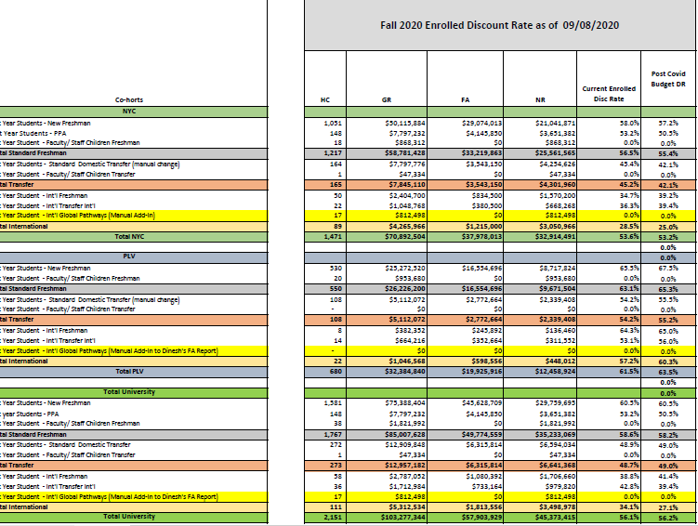
Notes:

 |  |  |  |  | PROPOSED AS OF 9/8/20
Tuition Rate name | Description | FY 2019 Rate | FY 2020 Rate | FY 2021 Rate | FY22 Rate | Rate increase
Full time Tuition Rate (per semester) | Undergrad ft 12-18 credits | $21,812 | $22,357 | $22,916 | $23,489 | 2.5%

DISCOUNT RATES BASED OFF OF FALL 2020 (9/8/20)

